Layout-list
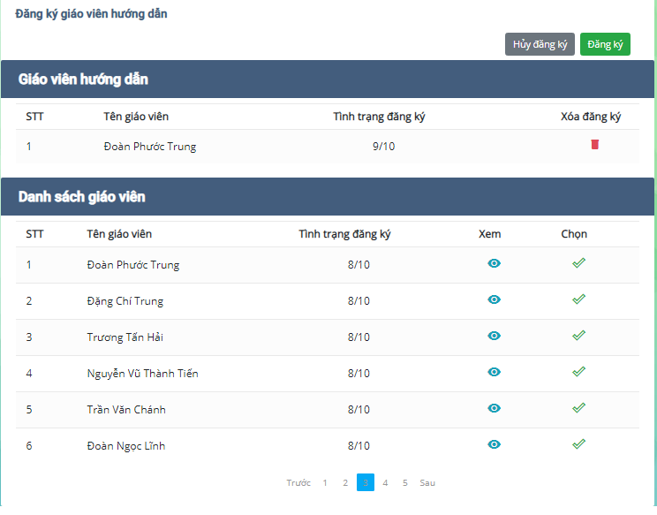
6.9.4. Đăng ký giáo viên hướng dẫn

